Sheet1
Col, Row vs. Lum | Plate Barcode | IBT Barcode | POS_Lum_mean | POS_Lum_StdDev | POS_Lum_CV | POS_Lum_Median | POS_Lum_Mad | NEG_Lum_mean | NEG_Lum_StdDev | NEG_Lum_CV | NEG_Lum_Median | NEG_Lum_Mad | Lum_Z_prime | Lum_RZ_prime | DRC_names
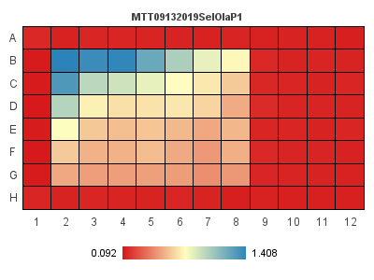 | MTT09132019SelOlaP1 | Layout-2 | 0.096833333333 | 0.0031313823713 | 3.2337855814 | 0.0975 | 0.0025 | 1.408 | 0 | 0 | 1.408 | 0 | 0.99283527613 | 0.99427699351
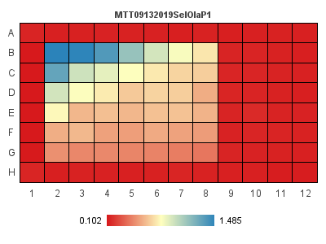 | MTT09132019SelOlaP2 | Layout-2 | 0.104 | 0.0012909944487 | 1.2413408161 | 0.104 | 0.001 | 1.485 | 0 | 0 | 1.485 | 0 | 0.99719552256 | 0.99782766112
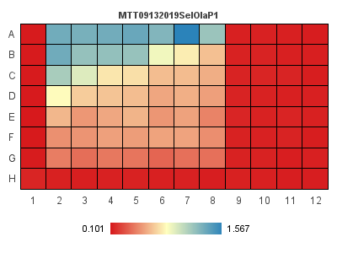 | MTT09132019SelOlaP3 | Layout-2 | 0.107 | 0.0036968455021 | 3.4549957964 | 0.107 | 0.002 | 1.325 | 0 | 0 | 1.325 | 0 | 0.99089446921 | 0.99507389163

